Sheet1
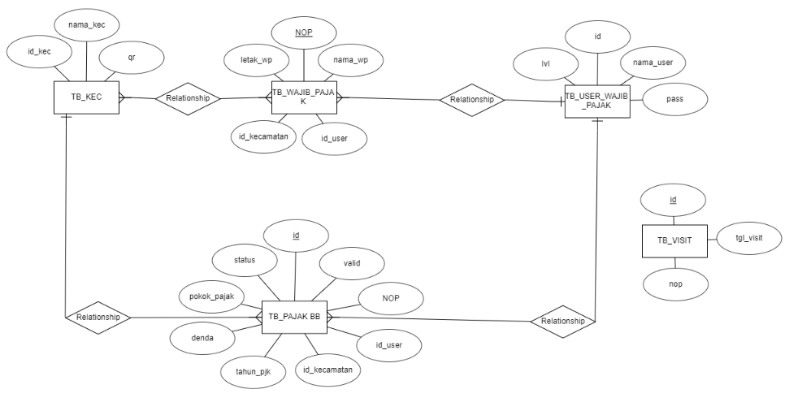
NORMALISASI

UNF
ID | NAMA_KEC | TH_PAJAK | NAMA_USER
NOP | QR | DENDA | PASS_USER
NAMA_WP | tgl_riwayat | POKOK_PJK | LAVEL_USER
LETAK_WP | nop_riwayat | STATUS
 |  | VALID

NF1
TB_KEC |  | TB_WP |  |  | TB_PBB |  |  |  |  | TB_USER |  |  | TB_RIWAYAT
NAMA_KEC | QR | NOP | NAMA_WP | LETAK_WP | TH_PJK | DENDA | POKOK_PJK | STATUS | VALID | NAMA_USER | PASS_USER | LAVEL_USER | tgl_riwayat | nop_riwayat

NF2
TB_KEC |  |  | TB_WP |  |  | TB_PBB |  |  |  |  |  | TB_USER |  |  |  | TB_RIWAYAT
ID_KEC | NAMA_KEC | QR | NOP | NAMA_WP | LETAK_WP | ID | TH_PJK | DENDA | POKOK_PJK | STATUS | VALID | ID_USER | NAMA_USER | PASS_USER | LAVEL_USER | id_riwayat | tgl_riwayat | nop_riwayat

NF3
TB_KEC |  |  | TB_WP |  |  |  |  | TB_USER |  |  |  | TB_PBB |  |  |  |  |  |  |  |  | TB_RIWAYAT
ID_KEC | NAMA_KEC | QR | NOP | NAMA_WP | LETAK_WP | ID_USER | ID_KEC | ID_USER | NAMA_USER | PASS_USER | LAVEL_USER | ID | TH_PJK | DENDA | POKOK_PJK | STATUS | VALID | ID_USER | ID_KEC | NOP | id_riwayat | tgl_riwayat | nop_riwayat | NOP

ERD

